Sheet1
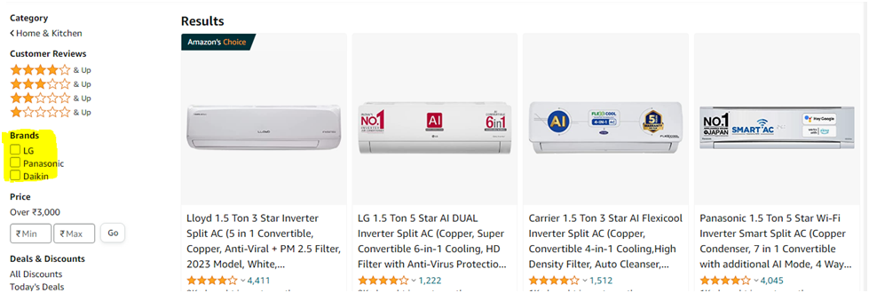
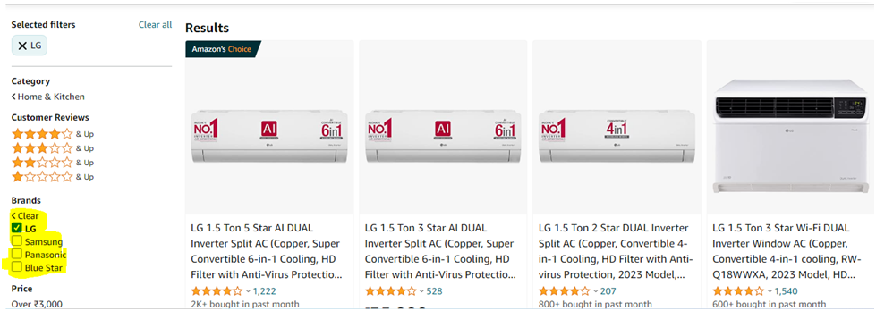
BUG Tracker
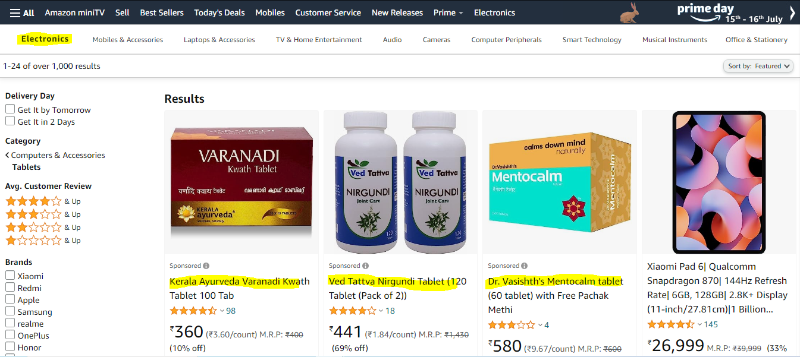
BUG ID (Autogenerated) | Type | TestCase-ID | Feature | Description | Priority | Screenshots & Attachments | Status | Owner | Release | Found In | Created at
BUG-001 | Bug |  | Amazon Electronics | Open Browser(Chrome, Firefox) – Navigate to the Url - https://www.amazon.in/ref=nav_logo Click on the Electronics Link Under electronics category click on Tablets | High | image.png 1 | Not started | sukanya | Latest | Production | 08/07/2023 11:18 pM

BUG-002 | Bug |  | Amazon mobiles | Open Browser(Chrome, Firefox) – Navigate to the Url - https://www.amazon.in/ref=nav_logo Click on the mobile Link Under mobile category click on selecte amount range 5000 to 10000 /rs | medium | image.png 2 | Not started | sukanya | Latest | Production | 08/07/2023 11:30 pM | bug-2
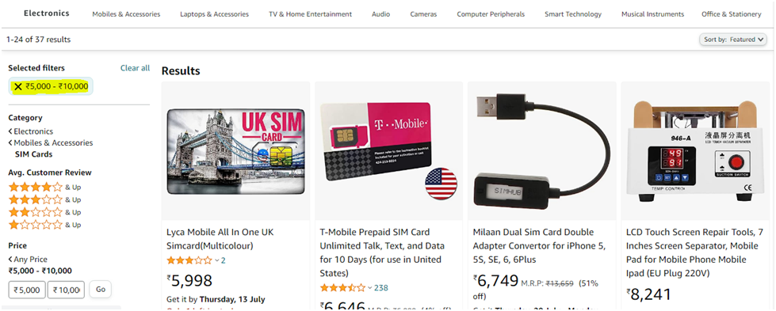
BUG-003 | BUG |  | Amazon mobiles | Open Browser(Chrome, Firefox) – Navigate to the Url - https://www.amazon.in/ref=nav_logo Click on the Link Appliances for your home click on select Deals on Air Conditioners ,click on select the brand display only 3brands after selecting display more brands | low | image.png | Not started | sukanya | Latest | Production | 09/07/2023 02:30 pM

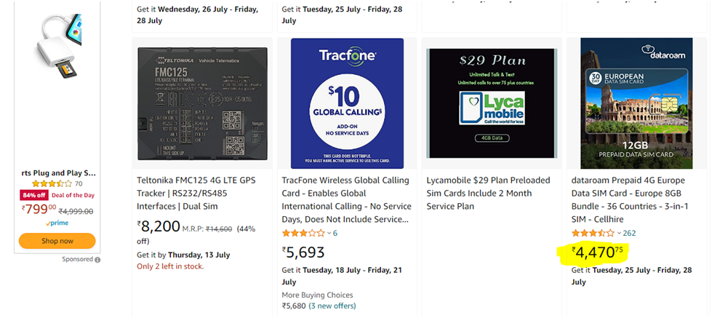

 |  |  |  |  |  |  |  |  |  |  |  | bug 3

